2.1 Equities Mkt Share&Volume
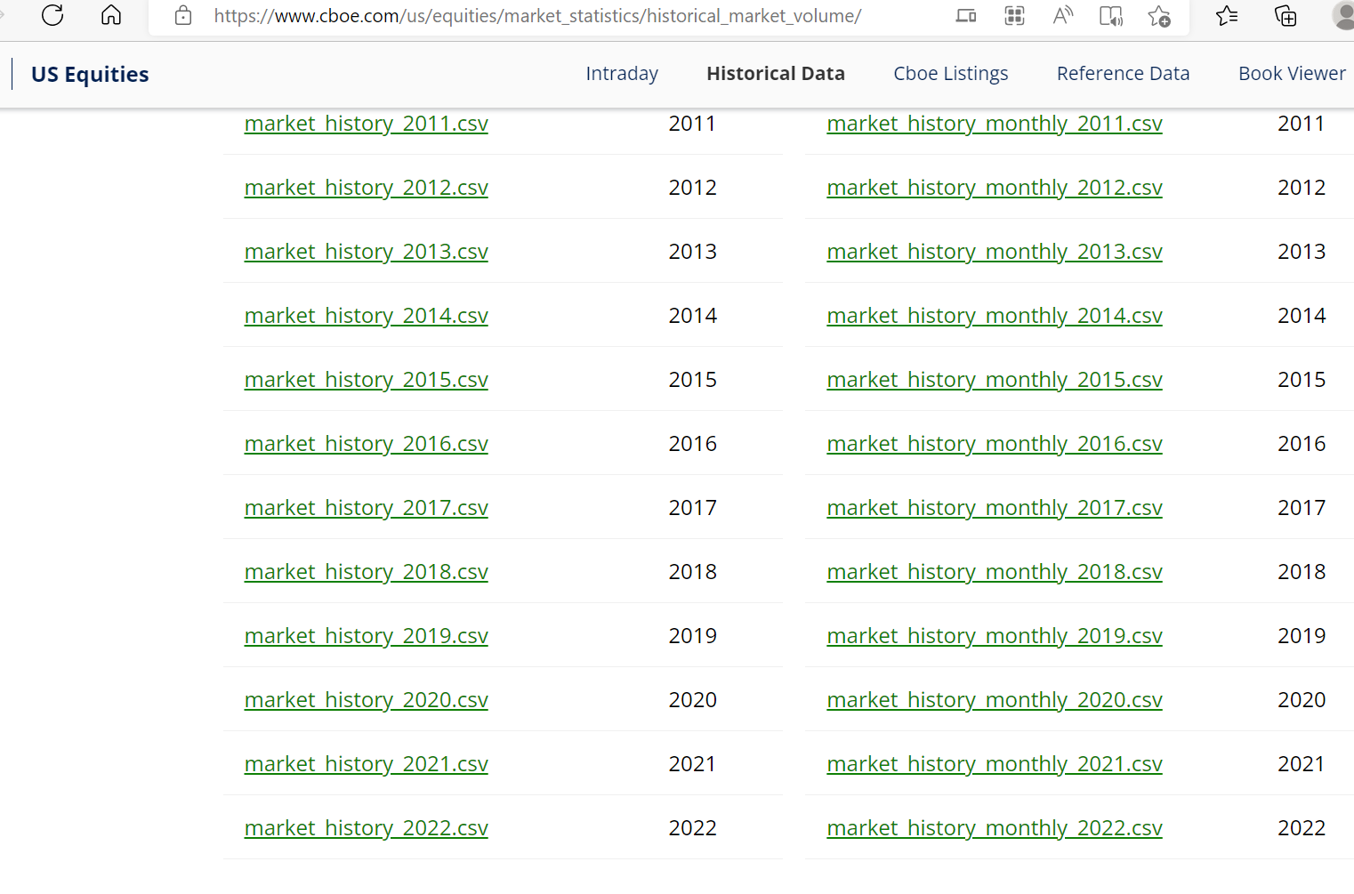
Month | Market Participant | Total Shares | Total Trade Count | Data Souce: US Equities Historical Market Volume Data (cboe.com)
2019-01 | BYX Equities (Y) | 7053722607 | 52159393
2019-02 | BYX Equities (Y) | 5545977318 | 43287935
2019-03 | BYX Equities (Y) | 6518981078 | 50176358
2019-04 | BYX Equities (Y) | 5337199768 | 42714531
2019-05 | BYX Equities (Y) | 6450675352 | 57924589
2019-06 | BYX Equities (Y) | 5598701302 | 51920495
2019-07 | BYX Equities (Y) | 5428449586 | 51101008
2019-08 | BYX Equities (Y) | 6220860681 | 55277730
2019-09 | BYX Equities (Y) | 5298139690 | 48370869
2019-10 | BYX Equities (Y) | 5273374991 | 46925234
2019-11 | BYX Equities (Y) | 4385797958 | 38059669
2019-12 | BYX Equities (Y) | 3981129782 | 34942363
2020-01 | BYX Equities (Y) | 4035875200 | 34781323
2020-02 | BYX Equities (Y) | 4135565323 | 34682404
2020-03 | BYX Equities (Y) | 7290377220 | 56924698
2020-04 | BYX Equities (Y) | 5101132771 | 39144873
2020-05 | BYX Equities (Y) | 3988776943 | 34041332
2020-06 | BYX Equities (Y) | 5024871620 | 41671544
2020-07 | BYX Equities (Y) | 4103189608 | 33619066
2020-08 | BYX Equities (Y) | 3025261661 | 29357162
2020-09 | BYX Equities (Y) | 3403743899 | 34670131
2020-10 | BYX Equities (Y) | 3335771294 | 34038705
2020-11 | BYX Equities (Y) | 3610413066 | 34222712
2020-12 | BYX Equities (Y) | 3570799795 | 33470270
2021-01 | BYX Equities (Y) | 4137801358 | 34662504
2021-02 | BYX Equities (Y) | 4270423101 | 35212302
2021-03 | BYX Equities (Y) | 4848985075 | 44598134
2021-04 | BYX Equities (Y) | 3324365894 | 30435052
2021-05 | BYX Equities (Y) | 3163310675 | 30613464
2021-06 | BYX Equities (Y) | 3093281112 | 30934005
2021-07 | BYX Equities (Y) | 2779337046 | 27374116
2021-08 | BYX Equities (Y) | 2595836269 | 26659707
2021-09 | BYX Equities (Y) | 3072816166 | 30543524
2021-10 | BYX Equities (Y) | 2968024119 | 27938666
2021-11 | BYX Equities (Y) | 2922043713 | 27672501
2021-12 | BYX Equities (Y) | 3065221607 | 28923621
...

